Site
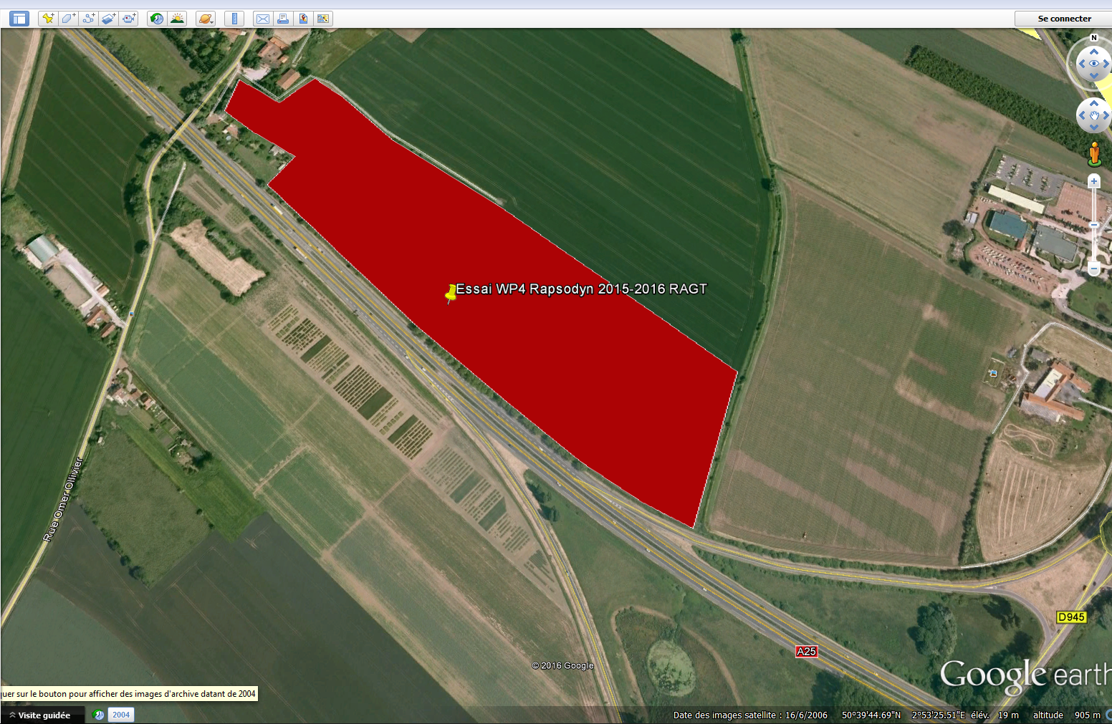
SiteName | Latitude | Longitude | Elevation | Exposure | Slope | CityOrRegionOrCountry | SiteStatus | Landowner | Comment | MeteoStationCode | MeteoStationNetwork
Prémesques

